Sheet1
 |  | Document No. | Issue No. | Issue Date |  | Review and Replace Date |  | Authorised By
 |  | GFF249MC | 1 | 02.12.2020 |  | New issue
 |  | Document Title | 22 Onion Bhaji 660G
 |  |  |  |  |  |  |  | Magda Shah
Document amendments reason for change |  | New document | Page 1 of 1 |  | Previous Issue Date |  | New issue | Uncontrolled copy unless signed original

COBHC-B22X4T | GAZEBO-BOOKER |  | 22 Onion Bhaji 660G | CHILLED
STEP 1 |  |  |  |  | STEP 2
 |  |  |  |  | 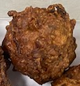

Tray: H3H 50 - CLEAR (PKNUT001-07) |  |  |  |  | Onion Bhaji Cocktail 30G (GFF121R): 22 Pieces (660G)
Line 2 & VG900: 410AF (PKPRO001-10)
STEP 3
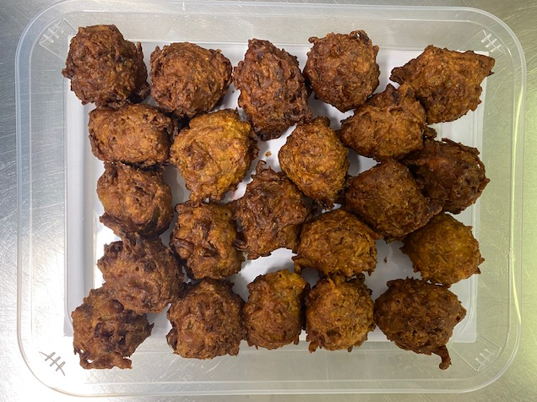

TOTAL WEIGHT: 660G

ALLERGY ALERT: none

